Reference Charts
REFERENCE CHARTS
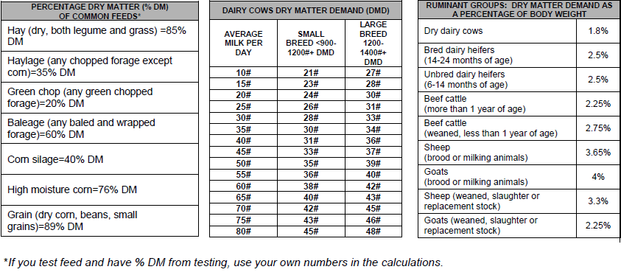

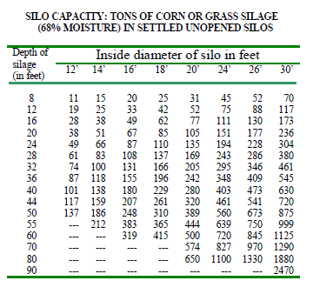
 |  |  |  |  |  | Standard Weights of Farm Products per Bushel (estimated at 89% DM)

 |  |  |  |  |  | Barley - |  | 48 lbs.
 |  |  |  |  |  | Rye - |  | 56 lbs.
 |  |  |  |  |  | Corn (shelled) - |  | 56 lbs.
 |  |  |  |  |  | Corn (ear) - |  | 70 lbs.
 |  |  |  |  |  | Oats - |  | 32 lbs.
 |  |  |  |  |  | Soybeans - |  | 60 lbs.
 |  |  |  |  |  | Wheat - |  | 60 lbs.

 |  |  |  |  |  | *These figures are general estimates. If you have acquired values through weighing or testing, then use your own more specific figures.

Capacities of silage bags at 13 pounds dry matter per cubic foot density (65% moisture):
Bag Diameter
8 feet |  |  | 9 feet |  | 10 feet |  | 12 feet
Bag Length | Silage Length | Capacity- wet tons | Silage Length | Capacity- wet tons | Silage Length | Capacity- wet tons | Silage Length | Capacity- wet tons
100 | 84 | 80 | 82 | 100 | 80 | 115 | 76 | 160
150 | 134 | 125 | 132 | 150 | 130 | 190 | 126 | 265
200 | 184 | 170 | 182 | 215 | 180 | 260 | 176 | 370
250 | 234 | 220 | 232 | 270 | 230 | 335 | 226 | 475
300 | 284 | 265 | 282 | 330 | 280 | 405 | 276 | 580

